International Adv Meals PerDiem
ADVANCE TRAVEL MEALS PER DIEM INVOICE Request Form International (Up to two weeks)

REFERENCE WOU TRAVEL POLICIES AND RATES TO COMPLETE THIS FORM

NAME: | SAM SPADE |  |  |  |  |  | WOU V#:
 | Complete Mailing Address: |  |  |  |  |  | V00500000
STREET: | 123 Maltese Way
CITY, STATE ZIP: | Monmouth, OR 97361 |  |  |  |  |  | Destination:
Permanent WorkStation: | WOU | X | HOME |  | or *Remote work |  | Honolulu, HI |  | *Remote worker commonly is not considered to be in travel status
**EMPLOYEE only: | X |  | DEPARTMENT: |  | COE / RRCD |  | Purpose: |  | **TAM (ADVANCE TRAVEL MEALS Per Diem) request is not applicable for Students / NON-WOU / PRO921 / T-card Users / Group Retreat / etc.
Form Prepared by: (Print name) | YYZ |  |  | TRAVEL DATES: |  | 3/4-10/23 | Pac Rim Conference and Student Recruiting
INDEX code: | RCD856 | ACCT code: | 39615 | FUND/ACTV Code: (if aaplicable)

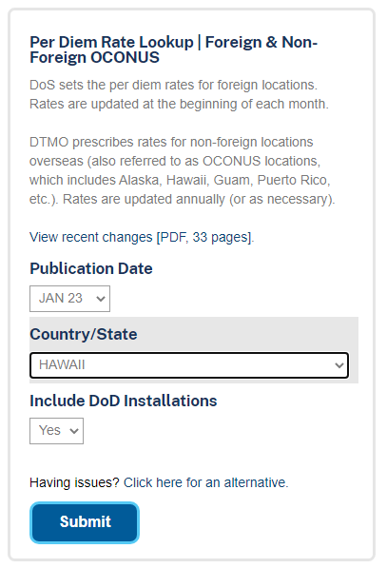
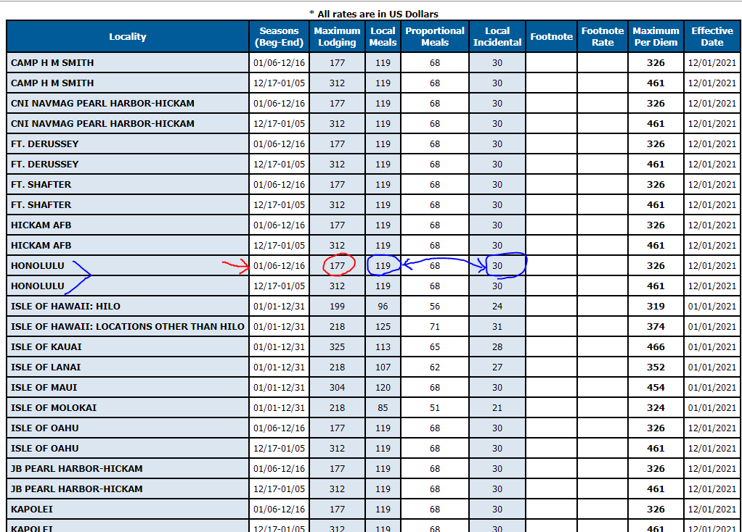
MEALS & INCIDENTAL EXPENSES |  |  |  |  |  |  |  |  |  | https://www.travel.dod.mil/Travel-Transportation-Rates/Per-Diem/Per-Diem-Rate-Lookup/
 | Conference |  |  |  |  |  | First/Last Day | TOTAL
DATE | Y/N |  | DESTINATION |  |  | M & IE | Yes/No | Per diem
2023-03-04 |  | Salem - PDX - Honolulu, HI |  |  |  | $64.00 | Yes | $48.00 | 75%
2023-03-05 |  | Intern Job Site Meeting |  |  |  | $149.00 | No | $149.00
2023-03-06 | Y | Pacific Rim Conference |  |  |  | $149.00 | No | $149.00
2023-03-07 | Y | Pacific Rim Conference |  |  |  | $149.00 | No | $149.00
2023-03-08 |  | Student Recruiting |  |  |  | $149.00 | No | $149.00
2023-03-09 |  | Honolulu, HI to PDX |  |  |  | $149.00 | No | $149.00
2023-03-10 |  | PDX - Salem |  |  |  | $64.00 | Yes | $48.00 | 75%
 |  |  |  |  |  |  |  | $0.00
 |  |  |  |  |  |  |  | $0.00
 |  |  |  |  |  |  |  | $0.00
 |  |  |  |  |  |  |  | $0.00
 |  |  |  |  |  |  |  | $0.00
 |  |  |  |  |  |  |  | $0.00
 |  |  |  |  |  |  |  | $0.00
Total Meals Request |  |  |  |  |  |  |  | $841.00

https://www.travel.dod.mil/Travel-Transportation-Rates/Per-Diem/Per-Diem-Rate-Lookup/ |  |  |  |  |  | 2023
* Insert international rate by city/country
*Add Local Meals and Incidental for total Meals Per Diem Calculations
 |  |  |  |  | **Vendor INV Standard Naming Convention in Banner: |  | TAM Honolulu HI 3/4-10/23
*International and Non-Foreign Overseas travel comprises travel to or within Alaska, Hawaii, Puerto Rico and US Possessions and follow GSA per diem rates |  |  |  |  | Invoice#: |  | I1234567 |  |  | **Vendor INV Naming Convention Example: TAM AUSTRALIA 1/13-15/23 (TAM Country Travel Dates)
 |  |  |  |  | Created by / Date: |  | YYZ, 2/20/2023
 |  |  |  |  | **PMT Due Date: |  | 2023-02-28

 |  |  |  |  |  |  |  |  | **5 business days prior to departure date

CLAIMANT (Printed Name) |  |  |  | Signature |  |  |  | Date

BUDGET AUTHORITY (Printed Name) |  |  |  | Signature |  |  |  | Date

